index
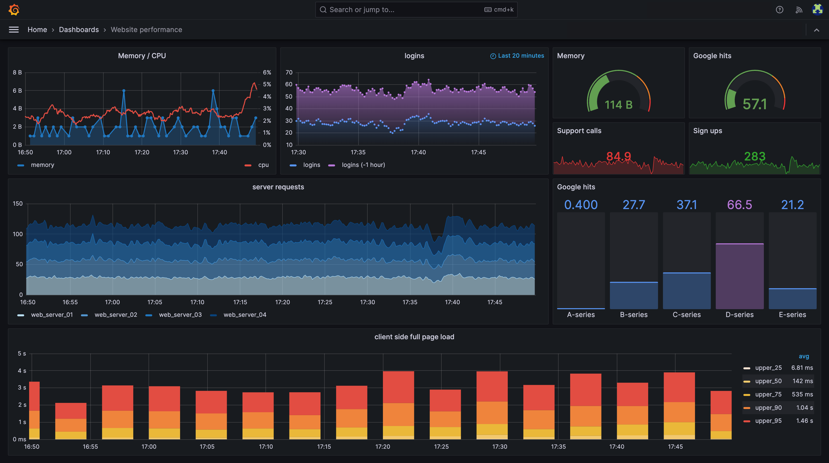
 |  | 23.07.08
0. 근황
 | 프로젝트
 | 주말출근

1. 순서
 | - 모니터링
 | - Grafana

2. 모니터링
 | - 클래식 APM, DPM
 | - APM : intermax, tranmanager, jennifer

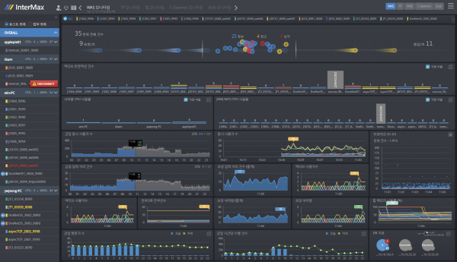
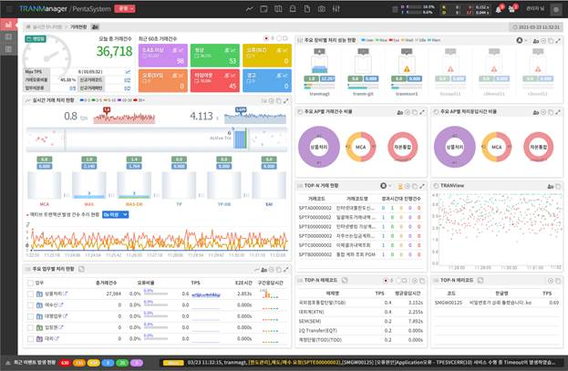

 | - DPM : maxgauge, sherpa
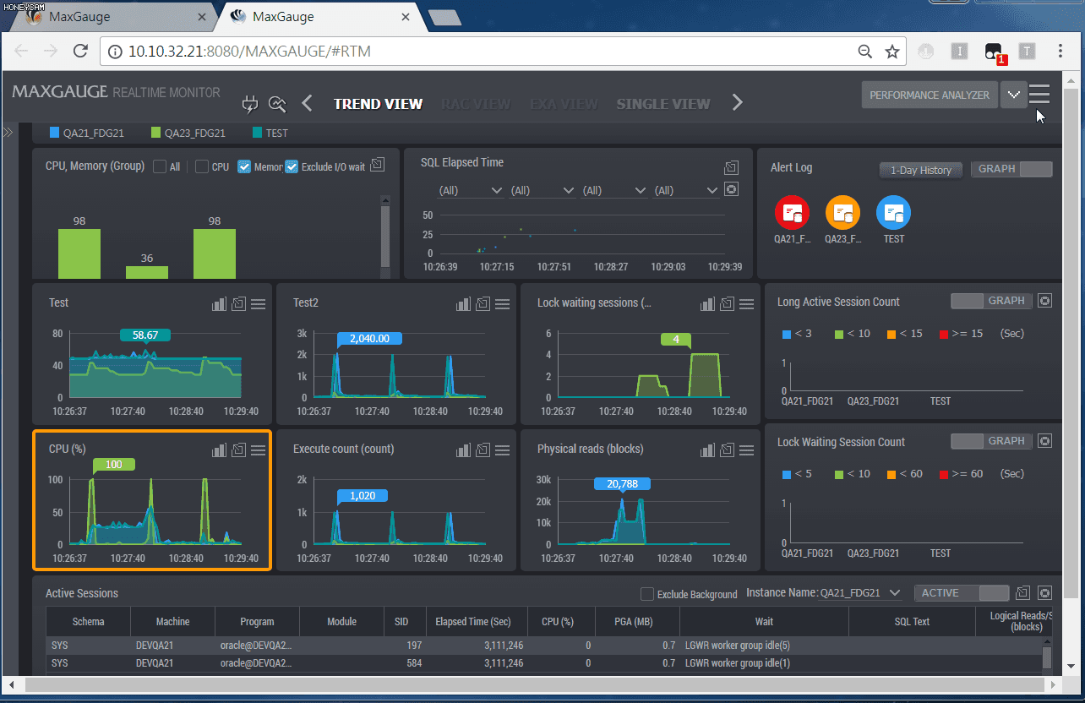
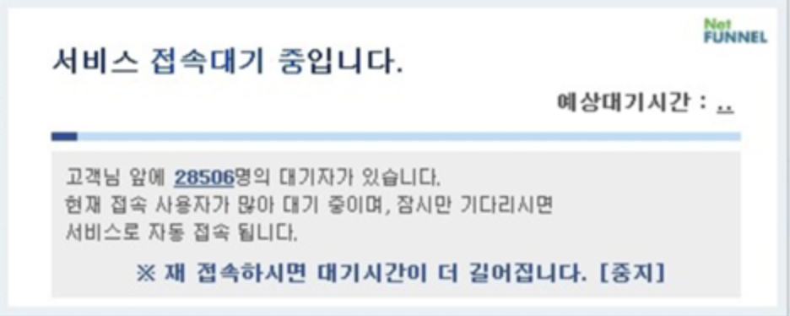

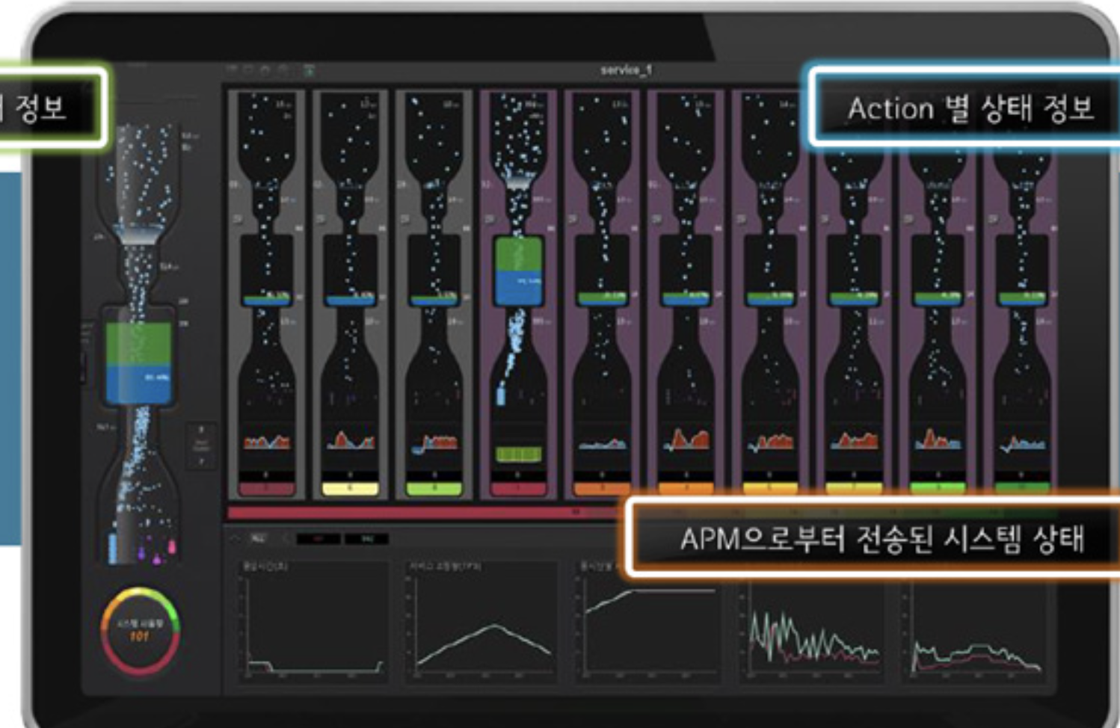

 | 1) 복잡한 인프라 상황에서의 구성
 | 2) 프레임워크별 커스터마이징의 필요성
 | 3) 각종 솔루션
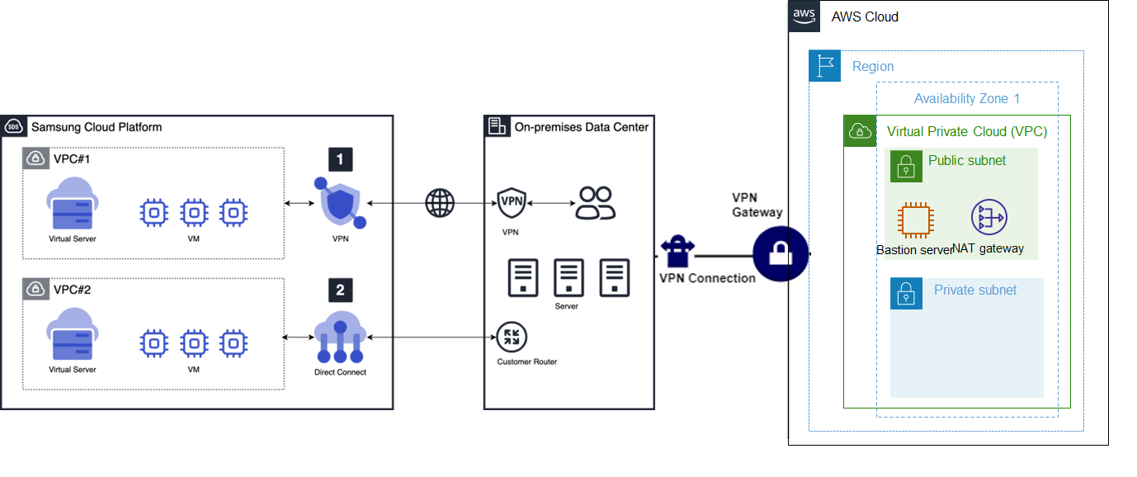

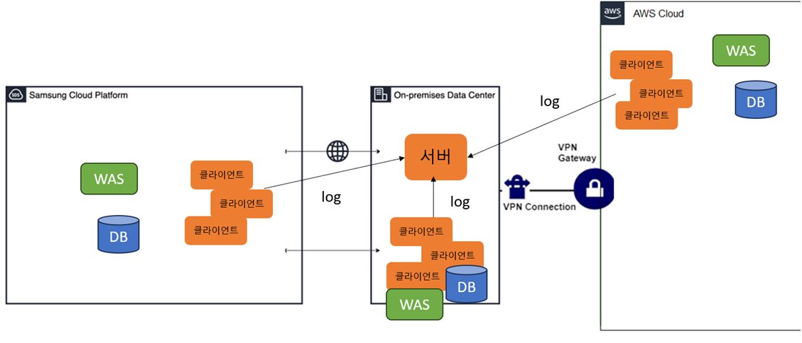

3. Grafana

postgreSQL
https://medium.com/analytics-vidhya/grafana-with-postgresql-data-visualization-with-open-source-tool-36f5150fa290

CREATE TABLE t_oil ( region text, country text, year int, production int, consumption int );

COPY t_oil FROM PROGRAM ‘curl https://www.cybertec-postgresql.com/secret/oil_ext.txt';

INSERT INTO hello_world ( region, country, year, production, consumption ) VALUES ( North America, USA, 1998, 2014, 12897);

SELECT * FROM hello_world;

 |  |  |  |  | INSERT INTO t_oil VALUES ('
regin | country | year | production | consumption | SQL
North America | USA | 1965 | 9014 | 11522 | INSERT INTO t_oil VALUES ('North America','USA','1965','9014','11522');
North America | USA | 1966 | 9579 | 12100 | INSERT INTO t_oil VALUES ('North America','USA','1966','9579','12100');
North America | USA | 1967 | 10219 | 12567 | INSERT INTO t_oil VALUES ('North America','USA','1967','10219','12567');
North America | USA | 1968 | 10600 | 13405 | INSERT INTO t_oil VALUES ('North America','USA','1968','10600','13405');
North America | USA | 1969 | 10828 | 14153 | INSERT INTO t_oil VALUES ('North America','USA','1969','10828','14153');
North America | USA | 1970 | 11297 | 14710 | INSERT INTO t_oil VALUES ('North America','USA','1970','11297','14710');
North America | USA | 1971 | 11156 | 15223 | INSERT INTO t_oil VALUES ('North America','USA','1971','11156','15223');
North America | USA | 1972 | 11185 | 16381 | INSERT INTO t_oil VALUES ('North America','USA','1972','11185','16381');
North America | USA | 1973 | 10946 | 17318 | INSERT INTO t_oil VALUES ('North America','USA','1973','10946','17318');
North America | USA | 1974 | 10461 | 16631 | INSERT INTO t_oil VALUES ('North America','USA','1974','10461','16631');
North America | USA | 1975 | 10008 | 16334 | INSERT INTO t_oil VALUES ('North America','USA','1975','10008','16334');
North America | USA | 1976 | 9736 | 17461 | INSERT INTO t_oil VALUES ('North America','USA','1976','9736','17461');
North America | USA | 1977 | 9863 | 18443 | INSERT INTO t_oil VALUES ('North America','USA','1977','9863','18443');
North America | USA | 1978 | 10274 | 18756 | INSERT INTO t_oil VALUES ('North America','USA','1978','10274','18756');
North America | USA | 1979 | 10136 | 18438 | INSERT INTO t_oil VALUES ('North America','USA','1979','10136','18438');
North America | USA | 1980 | 10170 | 17062 | INSERT INTO t_oil VALUES ('North America','USA','1980','10170','17062');
North America | USA | 1981 | 10181 | 16060 | INSERT INTO t_oil VALUES ('North America','USA','1981','10181','16060');
North America | USA | 1982 | 10199 | 15295 | INSERT INTO t_oil VALUES ('North America','USA','1982','10199','15295');
North America | USA | 1983 | 10247 | 15235 | INSERT INTO t_oil VALUES ('North America','USA','1983','10247','15235');
North America | USA | 1984 | 10509 | 15725 | INSERT INTO t_oil VALUES ('North America','USA','1984','10509','15725');
North America | USA | 1985 | 10580 | 15726 | INSERT INTO t_oil VALUES ('North America','USA','1985','10580','15726');
North America | USA | 1986 | 10231 | 16281 | INSERT INTO t_oil VALUES ('North America','USA','1986','10231','16281');
North America | USA | 1987 | 9944 | 16665 | INSERT INTO t_oil VALUES ('North America','USA','1987','9944','16665');
North America | USA | 1988 | 9765 | 17283 | INSERT INTO t_oil VALUES ('North America','USA','1988','9765','17283');
North America | USA | 1989 | 9159 | 17325 | INSERT INTO t_oil VALUES ('North America','USA','1989','9159','17325');
North America | USA | 1990 | 8914 | 16988 | INSERT INTO t_oil VALUES ('North America','USA','1990','8914','16988');
North America | USA | 1991 | 9076 | 16713 | INSERT INTO t_oil VALUES ('North America','USA','1991','9076','16713');
North America | USA | 1992 | 8868 | 17033 | INSERT INTO t_oil VALUES ('North America','USA','1992','8868','17033');
North America | USA | 1993 | 8583 | 17236 | INSERT INTO t_oil VALUES ('North America','USA','1993','8583','17236');
North America | USA | 1994 | 8389 | 17719 | INSERT INTO t_oil VALUES ('North America','USA','1994','8389','17719');
North America | USA | 1995 | 8322 | 17725 | INSERT INTO t_oil VALUES ('North America','USA','1995','8322','17725');
North America | USA | 1996 | 8295 | 18309 | INSERT INTO t_oil VALUES ('North America','USA','1996','8295','18309');
North America | USA | 1997 | 8269 | 18621 | INSERT INTO t_oil VALUES ('North America','USA','1997','8269','18621');
North America | USA | 1998 | 8011 | 18917 | INSERT INTO t_oil VALUES ('North America','USA','1998','8011','18917');
North America | USA | 1999 | 7731 | 19519 | INSERT INTO t_oil VALUES ('North America','USA','1999','7731','19519');
North America | USA | 2000 | 7733 | 19701 | INSERT INTO t_oil VALUES ('North America','USA','2000','7733','19701');
North America | USA | 2001 | 7669 | 19649 | INSERT INTO t_oil VALUES ('North America','USA','2001','7669','19649');
North America | USA | 2002 | 7626 | 19761 | INSERT INTO t_oil VALUES ('North America','USA','2002','7626','19761');
North America | USA | 2003 | 7400 | 20033 | INSERT INTO t_oil VALUES ('North America','USA','2003','7400','20033');
North America | USA | 2004 | 7228 | 20732 | INSERT INTO t_oil VALUES ('North America','USA','2004','7228','20732');
North America | USA | 2005 | 6895 | 20802 | INSERT INTO t_oil VALUES ('North America','USA','2005','6895','20802');
North America | USA | 2006 | 6841 | 20687 | INSERT INTO t_oil VALUES ('North America','USA','2006','6841','20687');
North America | USA | 2007 | 6847 | 20680 | INSERT INTO t_oil VALUES ('North America','USA','2007','6847','20680');
North America | USA | 2008 | 6734 | 19490 | INSERT INTO t_oil VALUES ('North America','USA','2008','6734','19490');
North America | USA | 2009 | 7271 | 18771 | INSERT INTO t_oil VALUES ('North America','USA','2009','7271','18771');
North America | USA | 2010 | 7513 | 19180 | INSERT INTO t_oil VALUES ('North America','USA','2010','7513','19180');
North America | Canada | 1965 | 920 | 1108 | INSERT INTO t_oil VALUES ('North America','Canada','1965','920','1108');
North America | Canada | 1966 | 1012 | 1167 | INSERT INTO t_oil VALUES ('North America','Canada','1966','1012','1167');
North America | Canada | 1967 | 1106 | 1246 | INSERT INTO t_oil VALUES ('North America','Canada','1967','1106','1246');
North America | Canada | 1968 | 1194 | 1322 | INSERT INTO t_oil VALUES ('North America','Canada','1968','1194','1322');
North America | Canada | 1969 | 1306 | 1380 | INSERT INTO t_oil VALUES ('North America','Canada','1969','1306','1380');
North America | Canada | 1970 | 1473 | 1472 | INSERT INTO t_oil VALUES ('North America','Canada','1970','1473','1472');
North America | Canada | 1971 | 1582 | 1512 | INSERT INTO t_oil VALUES ('North America','Canada','1971','1582','1512');
North America | Canada | 1972 | 1829 | 1589 | INSERT INTO t_oil VALUES ('North America','Canada','1972','1829','1589');
North America | Canada | 1973 | 2114 | 1682 | INSERT INTO t_oil VALUES ('North America','Canada','1973','2114','1682');
North America | Canada | 1974 | 1993 | 1713 | INSERT INTO t_oil VALUES ('North America','Canada','1974','1993','1713');
North America | Canada | 1975 | 1735 | 1682 | INSERT INTO t_oil VALUES ('North America','Canada','1975','1735','1682');
North America | Canada | 1976 | 1598 | 1789 | INSERT INTO t_oil VALUES ('North America','Canada','1976','1598','1789');
North America | Canada | 1977 | 1608 | 1812 | INSERT INTO t_oil VALUES ('North America','Canada','1977','1608','1812');
North America | Canada | 1978 | 1597 | 1849 | INSERT INTO t_oil VALUES ('North America','Canada','1978','1597','1849');
North America | Canada | 1979 | 1835 | 1931 | INSERT INTO t_oil VALUES ('North America','Canada','1979','1835','1931');
North America | Canada | 1980 | 1764 | 1898 | INSERT INTO t_oil VALUES ('North America','Canada','1980','1764','1898');
North America | Canada | 1981 | 1610 | 1788 | INSERT INTO t_oil VALUES ('North America','Canada','1981','1610','1788');
North America | Canada | 1982 | 1590 | 1609 | INSERT INTO t_oil VALUES ('North America','Canada','1982','1590','1609');
North America | Canada | 1983 | 1661 | 1518 | INSERT INTO t_oil VALUES ('North America','Canada','1983','1661','1518');
North America | Canada | 1984 | 1775 | 1540 | INSERT INTO t_oil VALUES ('North America','Canada','1984','1775','1540');
North America | Canada | 1985 | 1812 | 1556 | INSERT INTO t_oil VALUES ('North America','Canada','1985','1812','1556');
North America | Canada | 1986 | 1805 | 1559 | INSERT INTO t_oil VALUES ('North America','Canada','1986','1805','1559');
North America | Canada | 1987 | 1908 | 1627 | INSERT INTO t_oil VALUES ('North America','Canada','1987','1908','1627');
North America | Canada | 1988 | 2002 | 1710 | INSERT INTO t_oil VALUES ('North America','Canada','1988','2002','1710');
North America | Canada | 1989 | 1961 | 1771 | INSERT INTO t_oil VALUES ('North America','Canada','1989','1961','1771');
North America | Canada | 1990 | 1967 | 1747 | INSERT INTO t_oil VALUES ('North America','Canada','1990','1967','1747');
North America | Canada | 1991 | 1983 | 1659 | INSERT INTO t_oil VALUES ('North America','Canada','1991','1983','1659');
North America | Canada | 1992 | 2065 | 1689 | INSERT INTO t_oil VALUES ('North America','Canada','1992','2065','1689');
North America | Canada | 1993 | 2189 | 1697 | INSERT INTO t_oil VALUES ('North America','Canada','1993','2189','1697');
North America | Canada | 1994 | 2281 | 1726 | INSERT INTO t_oil VALUES ('North America','Canada','1994','2281','1726');
North America | Canada | 1995 | 2402 | 1848 | INSERT INTO t_oil VALUES ('North America','Canada','1995','2402','1848');
North America | Canada | 1996 | 2479 | 1889 | INSERT INTO t_oil VALUES ('North America','Canada','1996','2479','1889');
North America | Canada | 1997 | 2587 | 1969 | INSERT INTO t_oil VALUES ('North America','Canada','1997','2587','1969');
North America | Canada | 1998 | 2672 | 2002 | INSERT INTO t_oil VALUES ('North America','Canada','1998','2672','2002');
North America | Canada | 1999 | 2604 | 2061 | INSERT INTO t_oil VALUES ('North America','Canada','1999','2604','2061');
North America | Canada | 2000 | 2703 | 2043 | INSERT INTO t_oil VALUES ('North America','Canada','2000','2703','2043');
North America | Canada | 2001 | 2727 | 2094 | INSERT INTO t_oil VALUES ('North America','Canada','2001','2727','2094');
North America | Canada | 2002 | 2858 | 2172 | INSERT INTO t_oil VALUES ('North America','Canada','2002','2858','2172');
North America | Canada | 2003 | 3003 | 2228 | INSERT INTO t_oil VALUES ('North America','Canada','2003','3003','2228');
North America | Canada | 2004 | 3079 | 2309 | INSERT INTO t_oil VALUES ('North America','Canada','2004','3079','2309');
North America | Canada | 2005 | 3040 | 2288 | INSERT INTO t_oil VALUES ('North America','Canada','2005','3040','2288');
North America | Canada | 2006 | 3208 | 2295 | INSERT INTO t_oil VALUES ('North America','Canada','2006','3208','2295');
North America | Canada | 2007 | 3290 | 2361 | INSERT INTO t_oil VALUES ('North America','Canada','2007','3290','2361');
North America | Canada | 2008 | 3207 | 2315 | INSERT INTO t_oil VALUES ('North America','Canada','2008','3207','2315');
North America | Canada | 2009 | 3202 | 2190 | INSERT INTO t_oil VALUES ('North America','Canada','2009','3202','2190');
North America | Canada | 2010 | 3332 | 2316 | INSERT INTO t_oil VALUES ('North America','Canada','2010','3332','2316');
North America | Mexico | 1965 | 362 | 296 | INSERT INTO t_oil VALUES ('North America','Mexico','1965','362','296');
North America | Mexico | 1966 | 370 | 309 | INSERT INTO t_oil VALUES ('North America','Mexico','1966','370','309');
North America | Mexico | 1967 | 411 | 331 | INSERT INTO t_oil VALUES ('North America','Mexico','1967','411','331');
North America | Mexico | 1968 | 439 | 361 | INSERT INTO t_oil VALUES ('North America','Mexico','1968','439','361');
North America | Mexico | 1969 | 461 | 383 | INSERT INTO t_oil VALUES ('North America','Mexico','1969','461','383');
North America | Mexico | 1970 | 487 | 412 | INSERT INTO t_oil VALUES ('North America','Mexico','1970','487','412');
North America | Mexico | 1971 | 486 | 434 | INSERT INTO t_oil VALUES ('North America','Mexico','1971','486','434');
North America | Mexico | 1972 | 506 | 481 | INSERT INTO t_oil VALUES ('North America','Mexico','1972','506','481');
North America | Mexico | 1973 | 525 | 515 | INSERT INTO t_oil VALUES ('North America','Mexico','1973','525','515');
North America | Mexico | 1974 | 653 | 589 | INSERT INTO t_oil VALUES ('North America','Mexico','1974','653','589');
North America | Mexico | 1975 | 806 | 663 | INSERT INTO t_oil VALUES ('North America','Mexico','1975','806','663');
North America | Mexico | 1976 | 894 | 730 | INSERT INTO t_oil VALUES ('North America','Mexico','1976','894','730');
North America | Mexico | 1977 | 1085 | 755 | INSERT INTO t_oil VALUES ('North America','Mexico','1977','1085','755');
North America | Mexico | 1978 | 1327 | 874 | INSERT INTO t_oil VALUES ('North America','Mexico','1978','1327','874');
North America | Mexico | 1979 | 1607 | 951 | INSERT INTO t_oil VALUES ('North America','Mexico','1979','1607','951');
North America | Mexico | 1980 | 2129 | 1048 | INSERT INTO t_oil VALUES ('North America','Mexico','1980','2129','1048');
North America | Mexico | 1981 | 2553 | 1172 | INSERT INTO t_oil VALUES ('North America','Mexico','1981','2553','1172');
North America | Mexico | 1982 | 3001 | 1228 | INSERT INTO t_oil VALUES ('North America','Mexico','1982','3001','1228');
North America | Mexico | 1983 | 2930 | 1203 | INSERT INTO t_oil VALUES ('North America','Mexico','1983','2930','1203');
North America | Mexico | 1984 | 2942 | 1280 | INSERT INTO t_oil VALUES ('North America','Mexico','1984','2942','1280');
North America | Mexico | 1985 | 2912 | 1345 | INSERT INTO t_oil VALUES ('North America','Mexico','1985','2912','1345');
North America | Mexico | 1986 | 2758 | 1371 | INSERT INTO t_oil VALUES ('North America','Mexico','1986','2758','1371');
North America | Mexico | 1987 | 2879 | 1421 | INSERT INTO t_oil VALUES ('North America','Mexico','1987','2879','1421');
North America | Mexico | 1988 | 2877 | 1407 | INSERT INTO t_oil VALUES ('North America','Mexico','1988','2877','1407');
North America | Mexico | 1989 | 2897 | 1503 | INSERT INTO t_oil VALUES ('North America','Mexico','1989','2897','1503');
North America | Mexico | 1990 | 2940 | 1580 | INSERT INTO t_oil VALUES ('North America','Mexico','1990','2940','1580');
North America | Mexico | 1991 | 3099 | 1660 | INSERT INTO t_oil VALUES ('North America','Mexico','1991','3099','1660');
North America | Mexico | 1992 | 3098 | 1683 | INSERT INTO t_oil VALUES ('North America','Mexico','1992','3098','1683');
North America | Mexico | 1993 | 3115 | 1687 | INSERT INTO t_oil VALUES ('North America','Mexico','1993','3115','1687');
North America | Mexico | 1994 | 3135 | 1821 | INSERT INTO t_oil VALUES ('North America','Mexico','1994','3135','1821');
North America | Mexico | 1995 | 3054 | 1690 | INSERT INTO t_oil VALUES ('North America','Mexico','1995','3054','1690');
North America | Mexico | 1996 | 3270 | 1720 | INSERT INTO t_oil VALUES ('North America','Mexico','1996','3270','1720');
North America | Mexico | 1997 | 3408 | 1770 | INSERT INTO t_oil VALUES ('North America','Mexico','1997','3408','1770');
North America | Mexico | 1998 | 3498 | 1868 | INSERT INTO t_oil VALUES ('North America','Mexico','1998','3498','1868');
North America | Mexico | 1999 | 3351 | 1887 | INSERT INTO t_oil VALUES ('North America','Mexico','1999','3351','1887');
North America | Mexico | 2000 | 3455 | 1965 | INSERT INTO t_oil VALUES ('North America','Mexico','2000','3455','1965');
North America | Mexico | 2001 | 3568 | 1939 | INSERT INTO t_oil VALUES ('North America','Mexico','2001','3568','1939');
North America | Mexico | 2002 | 3592 | 1864 | INSERT INTO t_oil VALUES ('North America','Mexico','2002','3592','1864');
North America | Mexico | 2003 | 3794 | 1909 | INSERT INTO t_oil VALUES ('North America','Mexico','2003','3794','1909');
North America | Mexico | 2004 | 3830 | 1983 | INSERT INTO t_oil VALUES ('North America','Mexico','2004','3830','1983');
North America | Mexico | 2005 | 3765 | 2030 | INSERT INTO t_oil VALUES ('North America','Mexico','2005','3765','2030');
North America | Mexico | 2006 | 3689 | 2019 | INSERT INTO t_oil VALUES ('North America','Mexico','2006','3689','2019');
North America | Mexico | 2007 | 3478 | 2067 | INSERT INTO t_oil VALUES ('North America','Mexico','2007','3478','2067');
North America | Mexico | 2008 | 3165 | 2054 | INSERT INTO t_oil VALUES ('North America','Mexico','2008','3165','2054');
North America | Mexico | 2009 | 2978 | 1996 | INSERT INTO t_oil VALUES ('North America','Mexico','2009','2978','1996');
North America | Mexico | 2010 | 2959 | 2014 | INSERT INTO t_oil VALUES ('North America','Mexico','2010','2959','2014');
Middle East | Iran | 1965 | 1908 | 134 | INSERT INTO t_oil VALUES ('Middle East','Iran','1965','1908','134');
Middle East | Iran | 1966 | 2132 | 148 | INSERT INTO t_oil VALUES ('Middle East','Iran','1966','2132','148');
Middle East | Iran | 1967 | 2603 | 165 | INSERT INTO t_oil VALUES ('Middle East','Iran','1967','2603','165');
Middle East | Iran | 1968 | 2840 | 184 | INSERT INTO t_oil VALUES ('Middle East','Iran','1968','2840','184');
Middle East | Iran | 1969 | 3376 | 203 | INSERT INTO t_oil VALUES ('Middle East','Iran','1969','3376','203');
Middle East | Iran | 1970 | 3848 | 222 | INSERT INTO t_oil VALUES ('Middle East','Iran','1970','3848','222');
Middle East | Iran | 1971 | 4572 | 245 | INSERT INTO t_oil VALUES ('Middle East','Iran','1971','4572','245');
Middle East | Iran | 1972 | 5059 | 273 | INSERT INTO t_oil VALUES ('Middle East','Iran','1972','5059','273');
Middle East | Iran | 1973 | 5907 | 328 | INSERT INTO t_oil VALUES ('Middle East','Iran','1973','5907','328');
Middle East | Iran | 1974 | 6060 | 381 | INSERT INTO t_oil VALUES ('Middle East','Iran','1974','6060','381');
Middle East | Iran | 1975 | 5387 | 448 | INSERT INTO t_oil VALUES ('Middle East','Iran','1975','5387','448');
Middle East | Iran | 1976 | 5918 | 505 | INSERT INTO t_oil VALUES ('Middle East','Iran','1976','5918','505');
Middle East | Iran | 1977 | 5714 | 590 | INSERT INTO t_oil VALUES ('Middle East','Iran','1977','5714','590');
Middle East | Iran | 1978 | 5302 | 652 | INSERT INTO t_oil VALUES ('Middle East','Iran','1978','5302','652');
Middle East | Iran | 1979 | 3218 | 674 | INSERT INTO t_oil VALUES ('Middle East','Iran','1979','3218','674');
Middle East | Iran | 1980 | 1479 | 591 | INSERT INTO t_oil VALUES ('Middle East','Iran','1980','1479','591');
Middle East | Iran | 1981 | 1321 | 585 | INSERT INTO t_oil VALUES ('Middle East','Iran','1981','1321','585');
Middle East | Iran | 1982 | 2397 | 636 | INSERT INTO t_oil VALUES ('Middle East','Iran','1982','2397','636');
Middle East | Iran | 1983 | 2454 | 772 | INSERT INTO t_oil VALUES ('Middle East','Iran','1983','2454','772');
Middle East | Iran | 1984 | 2043 | 827 | INSERT INTO t_oil VALUES ('Middle East','Iran','1984','2043','827');
Middle East | Iran | 1985 | 2205 | 918 | INSERT INTO t_oil VALUES ('Middle East','Iran','1985','2205','918');
Middle East | Iran | 1986 | 2054 | 843 | INSERT INTO t_oil VALUES ('Middle East','Iran','1986','2054','843');
Middle East | Iran | 1987 | 2342 | 892 | INSERT INTO t_oil VALUES ('Middle East','Iran','1987','2342','892');
Middle East | Iran | 1988 | 2349 | 929 | INSERT INTO t_oil VALUES ('Middle East','Iran','1988','2349','929');
Middle East | Iran | 1989 | 2894 | 1032 | INSERT INTO t_oil VALUES ('Middle East','Iran','1989','2894','1032');
Middle East | Iran | 1990 | 3270 | 1070 | INSERT INTO t_oil VALUES ('Middle East','Iran','1990','3270','1070');
Middle East | Iran | 1991 | 3500 | 1147 | INSERT INTO t_oil VALUES ('Middle East','Iran','1991','3500','1147');
Middle East | Iran | 1992 | 3523 | 1234 | INSERT INTO t_oil VALUES ('Middle East','Iran','1992','3523','1234');
Middle East | Iran | 1993 | 3712 | 1288 | INSERT INTO t_oil VALUES ('Middle East','Iran','1993','3712','1288');
Middle East | Iran | 1994 | 3730 | 1329 | INSERT INTO t_oil VALUES ('Middle East','Iran','1994','3730','1329');
Middle East | Iran | 1995 | 3744 | 1314 | INSERT INTO t_oil VALUES ('Middle East','Iran','1995','3744','1314');
Middle East | Iran | 1996 | 3759 | 1347 | INSERT INTO t_oil VALUES ('Middle East','Iran','1996','3759','1347');
Middle East | Iran | 1997 | 3776 | 1415 | INSERT INTO t_oil VALUES ('Middle East','Iran','1997','3776','1415');
Middle East | Iran | 1998 | 3855 | 1400 | INSERT INTO t_oil VALUES ('Middle East','Iran','1998','3855','1400');
Middle East | Iran | 1999 | 3603 | 1413 | INSERT INTO t_oil VALUES ('Middle East','Iran','1999','3603','1413');
Middle East | Iran | 2000 | 3852 | 1457 | INSERT INTO t_oil VALUES ('Middle East','Iran','2000','3852','1457');
Middle East | Iran | 2001 | 3825 | 1486 | INSERT INTO t_oil VALUES ('Middle East','Iran','2001','3825','1486');
Middle East | Iran | 2002 | 3580 | 1493 | INSERT INTO t_oil VALUES ('Middle East','Iran','2002','3580','1493');
Middle East | Iran | 2003 | 4002 | 1509 | INSERT INTO t_oil VALUES ('Middle East','Iran','2003','4002','1509');
Middle East | Iran | 2004 | 4201 | 1549 | INSERT INTO t_oil VALUES ('Middle East','Iran','2004','4201','1549');
Middle East | Iran | 2005 | 4184 | 1700 | INSERT INTO t_oil VALUES ('Middle East','Iran','2005','4184','1700');
Middle East | Iran | 2006 | 4260 | 1845 | INSERT INTO t_oil VALUES ('Middle East','Iran','2006','4260','1845');
Middle East | Iran | 2007 | 4303 | 1875 | INSERT INTO t_oil VALUES ('Middle East','Iran','2007','4303','1875');
Middle East | Iran | 2008 | 4396 | 1960 | INSERT INTO t_oil VALUES ('Middle East','Iran','2008','4396','1960');
Middle East | Iran | 2009 | 4249 | 2012 | INSERT INTO t_oil VALUES ('Middle East','Iran','2009','4249','2012');
Middle East | Iran | 2010 | 4352 | 1874 | INSERT INTO t_oil VALUES ('Middle East','Iran','2010','4352','1874');
Middle East | Iraq | 1965 | 1313 | \N | INSERT INTO t_oil VALUES ('Middle East','Iraq','1965','1313','\N');
Middle East | Iraq | 1966 | 1392 | \N | INSERT INTO t_oil VALUES ('Middle East','Iraq','1966','1392','\N');
Middle East | Iraq | 1967 | 1228 | \N | INSERT INTO t_oil VALUES ('Middle East','Iraq','1967','1228','\N');
Middle East | Iraq | 1968 | 1503 | \N | INSERT INTO t_oil VALUES ('Middle East','Iraq','1968','1503','\N');
Middle East | Iraq | 1969 | 1521 | \N | INSERT INTO t_oil VALUES ('Middle East','Iraq','1969','1521','\N');
Middle East | Iraq | 1970 | 1549 | \N | INSERT INTO t_oil VALUES ('Middle East','Iraq','1970','1549','\N');
Middle East | Iraq | 1971 | 1694 | \N | INSERT INTO t_oil VALUES ('Middle East','Iraq','1971','1694','\N');
Middle East | Iraq | 1972 | 1466 | \N | INSERT INTO t_oil VALUES ('Middle East','Iraq','1972','1466','\N');
Middle East | Iraq | 1973 | 2018 | \N | INSERT INTO t_oil VALUES ('Middle East','Iraq','1973','2018','\N');
Middle East | Iraq | 1974 | 1977 | \N | INSERT INTO t_oil VALUES ('Middle East','Iraq','1974','1977','\N');
Middle East | Iraq | 1975 | 2271 | \N | INSERT INTO t_oil VALUES ('Middle East','Iraq','1975','2271','\N');
Middle East | Iraq | 1976 | 2422 | \N | INSERT INTO t_oil VALUES ('Middle East','Iraq','1976','2422','\N');
Middle East | Iraq | 1977 | 2358 | \N | INSERT INTO t_oil VALUES ('Middle East','Iraq','1977','2358','\N');
Middle East | Iraq | 1978 | 2574 | \N | INSERT INTO t_oil VALUES ('Middle East','Iraq','1978','2574','\N');
Middle East | Iraq | 1979 | 3489 | \N | INSERT INTO t_oil VALUES ('Middle East','Iraq','1979','3489','\N');
Middle East | Iraq | 1980 | 2658 | \N | INSERT INTO t_oil VALUES ('Middle East','Iraq','1980','2658','\N');
Middle East | Iraq | 1981 | 907 | \N | INSERT INTO t_oil VALUES ('Middle East','Iraq','1981','907','\N');
Middle East | Iraq | 1982 | 988 | \N | INSERT INTO t_oil VALUES ('Middle East','Iraq','1982','988','\N');
Middle East | Iraq | 1983 | 1106 | \N | INSERT INTO t_oil VALUES ('Middle East','Iraq','1983','1106','\N');
Middle East | Iraq | 1984 | 1228 | \N | INSERT INTO t_oil VALUES ('Middle East','Iraq','1984','1228','\N');
Middle East | Iraq | 1985 | 1425 | \N | INSERT INTO t_oil VALUES ('Middle East','Iraq','1985','1425','\N');
Middle East | Iraq | 1986 | 1899 | \N | INSERT INTO t_oil VALUES ('Middle East','Iraq','1986','1899','\N');
Middle East | Iraq | 1987 | 2391 | \N | INSERT INTO t_oil VALUES ('Middle East','Iraq','1987','2391','\N');
Middle East | Iraq | 1988 | 2782 | \N | INSERT INTO t_oil VALUES ('Middle East','Iraq','1988','2782','\N');
Middle East | Iraq | 1989 | 2838 | \N | INSERT INTO t_oil VALUES ('Middle East','Iraq','1989','2838','\N');
Middle East | Iraq | 1990 | 2149 | \N | INSERT INTO t_oil VALUES ('Middle East','Iraq','1990','2149','\N');
Middle East | Iraq | 1991 | 285 | \N | INSERT INTO t_oil VALUES ('Middle East','Iraq','1991','285','\N');
Middle East | Iraq | 1992 | 531 | \N | INSERT INTO t_oil VALUES ('Middle East','Iraq','1992','531','\N');
Middle East | Iraq | 1993 | 455 | \N | INSERT INTO t_oil VALUES ('Middle East','Iraq','1993','455','\N');
Middle East | Iraq | 1994 | 505 | \N | INSERT INTO t_oil VALUES ('Middle East','Iraq','1994','505','\N');
Middle East | Iraq | 1995 | 530 | \N | INSERT INTO t_oil VALUES ('Middle East','Iraq','1995','530','\N');
Middle East | Iraq | 1996 | 580 | \N | INSERT INTO t_oil VALUES ('Middle East','Iraq','1996','580','\N');
Middle East | Iraq | 1997 | 1166 | \N | INSERT INTO t_oil VALUES ('Middle East','Iraq','1997','1166','\N');
Middle East | Iraq | 1998 | 2121 | \N | INSERT INTO t_oil VALUES ('Middle East','Iraq','1998','2121','\N');
Middle East | Iraq | 1999 | 2610 | \N | INSERT INTO t_oil VALUES ('Middle East','Iraq','1999','2610','\N');
Middle East | Iraq | 2000 | 2613 | \N | INSERT INTO t_oil VALUES ('Middle East','Iraq','2000','2613','\N');
Middle East | Iraq | 2001 | 2522 | \N | INSERT INTO t_oil VALUES ('Middle East','Iraq','2001','2522','\N');
Middle East | Iraq | 2002 | 2116 | \N | INSERT INTO t_oil VALUES ('Middle East','Iraq','2002','2116','\N');
Middle East | Iraq | 2003 | 1344 | \N | INSERT INTO t_oil VALUES ('Middle East','Iraq','2003','1344','\N');
Middle East | Iraq | 2004 | 2030 | \N | INSERT INTO t_oil VALUES ('Middle East','Iraq','2004','2030','\N');
Middle East | Iraq | 2005 | 1833 | \N | INSERT INTO t_oil VALUES ('Middle East','Iraq','2005','1833','\N');
Middle East | Iraq | 2006 | 1999 | \N | INSERT INTO t_oil VALUES ('Middle East','Iraq','2006','1999','\N');
Middle East | Iraq | 2007 | 2143 | \N | INSERT INTO t_oil VALUES ('Middle East','Iraq','2007','2143','\N');
Middle East | Iraq | 2008 | 2428 | \N | INSERT INTO t_oil VALUES ('Middle East','Iraq','2008','2428','\N');
Middle East | Iraq | 2009 | 2452 | \N | INSERT INTO t_oil VALUES ('Middle East','Iraq','2009','2452','\N');
Middle East | Iraq | 2010 | 2490 | \N | INSERT INTO t_oil VALUES ('Middle East','Iraq','2010','2490','\N');
Middle East | Israel | 1965 | \N | 81 | INSERT INTO t_oil VALUES ('Middle East','Israel','1965','\N','81');
Middle East | Israel | 1966 | \N | 84 | INSERT INTO t_oil VALUES ('Middle East','Israel','1966','\N','84');
Middle East | Israel | 1967 | \N | 88 | INSERT INTO t_oil VALUES ('Middle East','Israel','1967','\N','88');
Middle East | Israel | 1968 | \N | 92 | INSERT INTO t_oil VALUES ('Middle East','Israel','1968','\N','92');
Middle East | Israel | 1969 | \N | 96 | INSERT INTO t_oil VALUES ('Middle East','Israel','1969','\N','96');
Middle East | Israel | 1970 | \N | 100 | INSERT INTO t_oil VALUES ('Middle East','Israel','1970','\N','100');
Middle East | Israel | 1971 | \N | 104 | INSERT INTO t_oil VALUES ('Middle East','Israel','1971','\N','104');
Middle East | Israel | 1972 | \N | 108 | INSERT INTO t_oil VALUES ('Middle East','Israel','1972','\N','108');
Middle East | Israel | 1973 | \N | 116 | INSERT INTO t_oil VALUES ('Middle East','Israel','1973','\N','116');
Middle East | Israel | 1974 | \N | 118 | INSERT INTO t_oil VALUES ('Middle East','Israel','1974','\N','118');
Middle East | Israel | 1975 | \N | 122 | INSERT INTO t_oil VALUES ('Middle East','Israel','1975','\N','122');
Middle East | Israel | 1976 | \N | 129 | INSERT INTO t_oil VALUES ('Middle East','Israel','1976','\N','129');
Middle East | Israel | 1977 | \N | 136 | INSERT INTO t_oil VALUES ('Middle East','Israel','1977','\N','136');
Middle East | Israel | 1978 | \N | 145 | INSERT INTO t_oil VALUES ('Middle East','Israel','1978','\N','145');
Middle East | Israel | 1979 | \N | 160 | INSERT INTO t_oil VALUES ('Middle East','Israel','1979','\N','160');
Middle East | Israel | 1980 | \N | 157 | INSERT INTO t_oil VALUES ('Middle East','Israel','1980','\N','157');
Middle East | Israel | 1981 | \N | 160 | INSERT INTO t_oil VALUES ('Middle East','Israel','1981','\N','160');
Middle East | Israel | 1982 | \N | 155 | INSERT INTO t_oil VALUES ('Middle East','Israel','1982','\N','155');
Middle East | Israel | 1983 | \N | 147 | INSERT INTO t_oil VALUES ('Middle East','Israel','1983','\N','147');
Middle East | Israel | 1984 | \N | 138 | INSERT INTO t_oil VALUES ('Middle East','Israel','1984','\N','138');
Middle East | Israel | 1985 | \N | 132 | INSERT INTO t_oil VALUES ('Middle East','Israel','1985','\N','132');
Middle East | Israel | 1986 | \N | 137 | INSERT INTO t_oil VALUES ('Middle East','Israel','1986','\N','137');
Middle East | Israel | 1987 | \N | 153 | INSERT INTO t_oil VALUES ('Middle East','Israel','1987','\N','153');
Middle East | Israel | 1988 | \N | 168 | INSERT INTO t_oil VALUES ('Middle East','Israel','1988','\N','168');
Middle East | Israel | 1989 | \N | 172 | INSERT INTO t_oil VALUES ('Middle East','Israel','1989','\N','172');
Middle East | Israel | 1990 | \N | 177 | INSERT INTO t_oil VALUES ('Middle East','Israel','1990','\N','177');
Middle East | Israel | 1991 | \N | 182 | INSERT INTO t_oil VALUES ('Middle East','Israel','1991','\N','182');
Middle East | Israel | 1992 | \N | 193 | INSERT INTO t_oil VALUES ('Middle East','Israel','1992','\N','193');
Middle East | Israel | 1993 | \N | 198 | INSERT INTO t_oil VALUES ('Middle East','Israel','1993','\N','198');
Middle East | Israel | 1994 | \N | 220 | INSERT INTO t_oil VALUES ('Middle East','Israel','1994','\N','220');
Middle East | Israel | 1995 | \N | 248 | INSERT INTO t_oil VALUES ('Middle East','Israel','1995','\N','248');
Middle East | Israel | 1996 | \N | 248 | INSERT INTO t_oil VALUES ('Middle East','Israel','1996','\N','248');
Middle East | Israel | 1997 | \N | 245 | INSERT INTO t_oil VALUES ('Middle East','Israel','1997','\N','245');
Middle East | Israel | 1998 | \N | 261 | INSERT INTO t_oil VALUES ('Middle East','Israel','1998','\N','261');
Middle East | Israel | 1999 | \N | 278 | INSERT INTO t_oil VALUES ('Middle East','Israel','1999','\N','278');
Middle East | Israel | 2000 | \N | 279 | INSERT INTO t_oil VALUES ('Middle East','Israel','2000','\N','279');
Middle East | Israel | 2001 | \N | 260 | INSERT INTO t_oil VALUES ('Middle East','Israel','2001','\N','260');
Middle East | Israel | 2002 | \N | 260 | INSERT INTO t_oil VALUES ('Middle East','Israel','2002','\N','260');
Middle East | Israel | 2003 | \N | 265 | INSERT INTO t_oil VALUES ('Middle East','Israel','2003','\N','265');
Middle East | Israel | 2004 | \N | 250 | INSERT INTO t_oil VALUES ('Middle East','Israel','2004','\N','250');
Middle East | Israel | 2005 | \N | 256 | INSERT INTO t_oil VALUES ('Middle East','Israel','2005','\N','256');
Middle East | Israel | 2006 | \N | 249 | INSERT INTO t_oil VALUES ('Middle East','Israel','2006','\N','249');
Middle East | Israel | 2007 | \N | 257 | INSERT INTO t_oil VALUES ('Middle East','Israel','2007','\N','257');
Middle East | Israel | 2008 | \N | 252 | INSERT INTO t_oil VALUES ('Middle East','Israel','2008','\N','252');
Middle East | Israel | 2009 | \N | 237 | INSERT INTO t_oil VALUES ('Middle East','Israel','2009','\N','237');
Middle East | Israel | 2010 | \N | 234 | INSERT INTO t_oil VALUES ('Middle East','Israel','2010','\N','234');
Middle East | Kuwait | 1965 | 2371 | 104 | INSERT INTO t_oil VALUES ('Middle East','Kuwait','1965','2371','104');
Middle East | Kuwait | 1966 | 2505 | 101 | INSERT INTO t_oil VALUES ('Middle East','Kuwait','1966','2505','101');
Middle East | Kuwait | 1967 | 2522 | 98 | INSERT INTO t_oil VALUES ('Middle East','Kuwait','1967','2522','98');
Middle East | Kuwait | 1968 | 2656 | 94 | INSERT INTO t_oil VALUES ('Middle East','Kuwait','1968','2656','94');
Middle East | Kuwait | 1969 | 2819 | 92 | INSERT INTO t_oil VALUES ('Middle East','Kuwait','1969','2819','92');
Middle East | Kuwait | 1970 | 3036 | 89 | INSERT INTO t_oil VALUES ('Middle East','Kuwait','1970','3036','89');
Middle East | Kuwait | 1971 | 3253 | 88 | INSERT INTO t_oil VALUES ('Middle East','Kuwait','1971','3253','88');
Middle East | Kuwait | 1972 | 3339 | 95 | INSERT INTO t_oil VALUES ('Middle East','Kuwait','1972','3339','95');
Middle East | Kuwait | 1973 | 3080 | 90 | INSERT INTO t_oil VALUES ('Middle East','Kuwait','1973','3080','90');
Middle East | Kuwait | 1974 | 2603 | 82 | INSERT INTO t_oil VALUES ('Middle East','Kuwait','1974','2603','82');
Middle East | Kuwait | 1975 | 2132 | 63 | INSERT INTO t_oil VALUES ('Middle East','Kuwait','1975','2132','63');
Middle East | Kuwait | 1976 | 2199 | 75 | INSERT INTO t_oil VALUES ('Middle East','Kuwait','1976','2199','75');
Middle East | Kuwait | 1977 | 2024 | 73 | INSERT INTO t_oil VALUES ('Middle East','Kuwait','1977','2024','73');
Middle East | Kuwait | 1978 | 2182 | 78 | INSERT INTO t_oil VALUES ('Middle East','Kuwait','1978','2182','78');
Middle East | Kuwait | 1979 | 2623 | 88 | INSERT INTO t_oil VALUES ('Middle East','Kuwait','1979','2623','88');
Middle East | Kuwait | 1980 | 1757 | 86 | INSERT INTO t_oil VALUES ('Middle East','Kuwait','1980','1757','86');
Middle East | Kuwait | 1981 | 1187 | 114 | INSERT INTO t_oil VALUES ('Middle East','Kuwait','1981','1187','114');
Middle East | Kuwait | 1982 | 862 | 130 | INSERT INTO t_oil VALUES ('Middle East','Kuwait','1982','862','130');
Middle East | Kuwait | 1983 | 1117 | 145 | INSERT INTO t_oil VALUES ('Middle East','Kuwait','1983','1117','145');
Middle East | Kuwait | 1984 | 1229 | 160 | INSERT INTO t_oil VALUES ('Middle East','Kuwait','1984','1229','160');
Middle East | Kuwait | 1985 | 1127 | 162 | INSERT INTO t_oil VALUES ('Middle East','Kuwait','1985','1127','162');
Middle East | Kuwait | 1986 | 1210 | 168 | INSERT INTO t_oil VALUES ('Middle East','Kuwait','1986','1210','168');
Middle East | Kuwait | 1987 | 1072 | 166 | INSERT INTO t_oil VALUES ('Middle East','Kuwait','1987','1072','166');
Middle East | Kuwait | 1988 | 1286 | 162 | INSERT INTO t_oil VALUES ('Middle East','Kuwait','1988','1286','162');
Middle East | Kuwait | 1989 | 1408 | 161 | INSERT INTO t_oil VALUES ('Middle East','Kuwait','1989','1408','161');
Middle East | Kuwait | 1990 | 964 | 106 | INSERT INTO t_oil VALUES ('Middle East','Kuwait','1990','964','106');
Middle East | Kuwait | 1991 | 185 | 75 | INSERT INTO t_oil VALUES ('Middle East','Kuwait','1991','185','75');
Middle East | Kuwait | 1992 | 1077 | 112 | INSERT INTO t_oil VALUES ('Middle East','Kuwait','1992','1077','112');
Middle East | Kuwait | 1993 | 1945 | 104 | INSERT INTO t_oil VALUES ('Middle East','Kuwait','1993','1945','104');
Middle East | Kuwait | 1994 | 2085 | 137 | INSERT INTO t_oil VALUES ('Middle East','Kuwait','1994','2085','137');
Middle East | Kuwait | 1995 | 2130 | 142 | INSERT INTO t_oil VALUES ('Middle East','Kuwait','1995','2130','142');
Middle East | Kuwait | 1996 | 2129 | 139 | INSERT INTO t_oil VALUES ('Middle East','Kuwait','1996','2129','139');
Middle East | Kuwait | 1997 | 2137 | 155 | INSERT INTO t_oil VALUES ('Middle East','Kuwait','1997','2137','155');
Middle East | Kuwait | 1998 | 2232 | 230 | INSERT INTO t_oil VALUES ('Middle East','Kuwait','1998','2232','230');
Middle East | Kuwait | 1999 | 2085 | 256 | INSERT INTO t_oil VALUES ('Middle East','Kuwait','1999','2085','256');
Middle East | Kuwait | 2000 | 2244 | 257 | INSERT INTO t_oil VALUES ('Middle East','Kuwait','2000','2244','257');
Middle East | Kuwait | 2001 | 2186 | 265 | INSERT INTO t_oil VALUES ('Middle East','Kuwait','2001','2186','265');
Middle East | Kuwait | 2002 | 2032 | 285 | INSERT INTO t_oil VALUES ('Middle East','Kuwait','2002','2032','285');
Middle East | Kuwait | 2003 | 2370 | 334 | INSERT INTO t_oil VALUES ('Middle East','Kuwait','2003','2370','334');
Middle East | Kuwait | 2004 | 2523 | 374 | INSERT INTO t_oil VALUES ('Middle East','Kuwait','2004','2523','374');
Middle East | Kuwait | 2005 | 2668 | 411 | INSERT INTO t_oil VALUES ('Middle East','Kuwait','2005','2668','411');
Middle East | Kuwait | 2006 | 2737 | 378 | INSERT INTO t_oil VALUES ('Middle East','Kuwait','2006','2737','378');
Middle East | Kuwait | 2007 | 2663 | 383 | INSERT INTO t_oil VALUES ('Middle East','Kuwait','2007','2663','383');
Middle East | Kuwait | 2008 | 2786 | 406 | INSERT INTO t_oil VALUES ('Middle East','Kuwait','2008','2786','406');
Middle East | Kuwait | 2009 | 2511 | 455 | INSERT INTO t_oil VALUES ('Middle East','Kuwait','2009','2511','455');
Middle East | Kuwait | 2010 | 2562 | 486 | INSERT INTO t_oil VALUES ('Middle East','Kuwait','2010','2562','486');
Middle East | Oman | 1965 | \N | \N | INSERT INTO t_oil VALUES ('Middle East','Oman','1965','\N','\N');
Middle East | Oman | 1966 | \N | \N | INSERT INTO t_oil VALUES ('Middle East','Oman','1966','\N','\N');
Middle East | Oman | 1967 | 57 | \N | INSERT INTO t_oil VALUES ('Middle East','Oman','1967','57','\N');
Middle East | Oman | 1968 | 241 | \N | INSERT INTO t_oil VALUES ('Middle East','Oman','1968','241','\N');
Middle East | Oman | 1969 | 327 | \N | INSERT INTO t_oil VALUES ('Middle East','Oman','1969','327','\N');
Middle East | Oman | 1970 | 332 | \N | INSERT INTO t_oil VALUES ('Middle East','Oman','1970','332','\N');
Middle East | Oman | 1971 | 294 | \N | INSERT INTO t_oil VALUES ('Middle East','Oman','1971','294','\N');
Middle East | Oman | 1972 | 282 | \N | INSERT INTO t_oil VALUES ('Middle East','Oman','1972','282','\N');
Middle East | Oman | 1973 | 293 | \N | INSERT INTO t_oil VALUES ('Middle East','Oman','1973','293','\N');
Middle East | Oman | 1974 | 290 | \N | INSERT INTO t_oil VALUES ('Middle East','Oman','1974','290','\N');
Middle East | Oman | 1975 | 341 | \N | INSERT INTO t_oil VALUES ('Middle East','Oman','1975','341','\N');
Middle East | Oman | 1976 | 367 | \N | INSERT INTO t_oil VALUES ('Middle East','Oman','1976','367','\N');
Middle East | Oman | 1977 | 340 | \N | INSERT INTO t_oil VALUES ('Middle East','Oman','1977','340','\N');
Middle East | Oman | 1978 | 314 | \N | INSERT INTO t_oil VALUES ('Middle East','Oman','1978','314','\N');
Middle East | Oman | 1979 | 295 | \N | INSERT INTO t_oil VALUES ('Middle East','Oman','1979','295','\N');
Middle East | Oman | 1980 | 285 | \N | INSERT INTO t_oil VALUES ('Middle East','Oman','1980','285','\N');
Middle East | Oman | 1981 | 330 | \N | INSERT INTO t_oil VALUES ('Middle East','Oman','1981','330','\N');
Middle East | Oman | 1982 | 338 | \N | INSERT INTO t_oil VALUES ('Middle East','Oman','1982','338','\N');
Middle East | Oman | 1983 | 391 | \N | INSERT INTO t_oil VALUES ('Middle East','Oman','1983','391','\N');
Middle East | Oman | 1984 | 419 | \N | INSERT INTO t_oil VALUES ('Middle East','Oman','1984','419','\N');
Middle East | Oman | 1985 | 502 | \N | INSERT INTO t_oil VALUES ('Middle East','Oman','1985','502','\N');
Middle East | Oman | 1986 | 564 | \N | INSERT INTO t_oil VALUES ('Middle East','Oman','1986','564','\N');
Middle East | Oman | 1987 | 588 | \N | INSERT INTO t_oil VALUES ('Middle East','Oman','1987','588','\N');
Middle East | Oman | 1988 | 625 | \N | INSERT INTO t_oil VALUES ('Middle East','Oman','1988','625','\N');
Middle East | Oman | 1989 | 651 | \N | INSERT INTO t_oil VALUES ('Middle East','Oman','1989','651','\N');
Middle East | Oman | 1990 | 695 | \N | INSERT INTO t_oil VALUES ('Middle East','Oman','1990','695','\N');
Middle East | Oman | 1991 | 716 | \N | INSERT INTO t_oil VALUES ('Middle East','Oman','1991','716','\N');
Middle East | Oman | 1992 | 748 | \N | INSERT INTO t_oil VALUES ('Middle East','Oman','1992','748','\N');
Middle East | Oman | 1993 | 785 | \N | INSERT INTO t_oil VALUES ('Middle East','Oman','1993','785','\N');
Middle East | Oman | 1994 | 819 | \N | INSERT INTO t_oil VALUES ('Middle East','Oman','1994','819','\N');
Middle East | Oman | 1995 | 868 | \N | INSERT INTO t_oil VALUES ('Middle East','Oman','1995','868','\N');
Middle East | Oman | 1996 | 897 | \N | INSERT INTO t_oil VALUES ('Middle East','Oman','1996','897','\N');
Middle East | Oman | 1997 | 909 | \N | INSERT INTO t_oil VALUES ('Middle East','Oman','1997','909','\N');
Middle East | Oman | 1998 | 905 | \N | INSERT INTO t_oil VALUES ('Middle East','Oman','1998','905','\N');
Middle East | Oman | 1999 | 911 | \N | INSERT INTO t_oil VALUES ('Middle East','Oman','1999','911','\N');
Middle East | Oman | 2000 | 961 | \N | INSERT INTO t_oil VALUES ('Middle East','Oman','2000','961','\N');
Middle East | Oman | 2001 | 959 | \N | INSERT INTO t_oil VALUES ('Middle East','Oman','2001','959','\N');
Middle East | Oman | 2002 | 900 | \N | INSERT INTO t_oil VALUES ('Middle East','Oman','2002','900','\N');
Middle East | Oman | 2003 | 822 | \N | INSERT INTO t_oil VALUES ('Middle East','Oman','2003','822','\N');
Middle East | Oman | 2004 | 783 | \N | INSERT INTO t_oil VALUES ('Middle East','Oman','2004','783','\N');
Middle East | Oman | 2005 | 777 | \N | INSERT INTO t_oil VALUES ('Middle East','Oman','2005','777','\N');
Middle East | Oman | 2006 | 738 | \N | INSERT INTO t_oil VALUES ('Middle East','Oman','2006','738','\N');
Middle East | Oman | 2007 | 710 | \N | INSERT INTO t_oil VALUES ('Middle East','Oman','2007','710','\N');
Middle East | Oman | 2008 | 757 | \N | INSERT INTO t_oil VALUES ('Middle East','Oman','2008','757','\N');
Middle East | Oman | 2009 | 813 | \N | INSERT INTO t_oil VALUES ('Middle East','Oman','2009','813','\N');
Middle East | Oman | 2010 | 865 | \N | INSERT INTO t_oil VALUES ('Middle East','Oman','2010','865','\N');
Middle East | Qatar | 1965 | 233 | 1 | INSERT INTO t_oil VALUES ('Middle East','Qatar','1965','233','1');
Middle East | Qatar | 1966 | 291 | 1 | INSERT INTO t_oil VALUES ('Middle East','Qatar','1966','291','1');
Middle East | Qatar | 1967 | 324 | 2 | INSERT INTO t_oil VALUES ('Middle East','Qatar','1967','324','2');
Middle East | Qatar | 1968 | 340 | 2 | INSERT INTO t_oil VALUES ('Middle East','Qatar','1968','340','2');
Middle East | Qatar | 1969 | 356 | 2 | INSERT INTO t_oil VALUES ('Middle East','Qatar','1969','356','2');
Middle East | Qatar | 1970 | 363 | 2 | INSERT INTO t_oil VALUES ('Middle East','Qatar','1970','363','2');
Middle East | Qatar | 1971 | 430 | 2 | INSERT INTO t_oil VALUES ('Middle East','Qatar','1971','430','2');
Middle East | Qatar | 1972 | 482 | 2 | INSERT INTO t_oil VALUES ('Middle East','Qatar','1972','482','2');
Middle East | Qatar | 1973 | 570 | 3 | INSERT INTO t_oil VALUES ('Middle East','Qatar','1973','570','3');
Middle East | Qatar | 1974 | 518 | 4 | INSERT INTO t_oil VALUES ('Middle East','Qatar','1974','518','4');
Middle East | Qatar | 1975 | 437 | 5 | INSERT INTO t_oil VALUES ('Middle East','Qatar','1975','437','5');
Middle East | Qatar | 1976 | 487 | 7 | INSERT INTO t_oil VALUES ('Middle East','Qatar','1976','487','7');
Middle East | Qatar | 1977 | 435 | 9 | INSERT INTO t_oil VALUES ('Middle East','Qatar','1977','435','9');
Middle East | Qatar | 1978 | 484 | 9 | INSERT INTO t_oil VALUES ('Middle East','Qatar','1978','484','9');
Middle East | Qatar | 1979 | 506 | 9 | INSERT INTO t_oil VALUES ('Middle East','Qatar','1979','506','9');
Middle East | Qatar | 1980 | 476 | 17 | INSERT INTO t_oil VALUES ('Middle East','Qatar','1980','476','17');
Middle East | Qatar | 1981 | 421 | 19 | INSERT INTO t_oil VALUES ('Middle East','Qatar','1981','421','19');
Middle East | Qatar | 1982 | 345 | 27 | INSERT INTO t_oil VALUES ('Middle East','Qatar','1982','345','27');
Middle East | Qatar | 1983 | 316 | 30 | INSERT INTO t_oil VALUES ('Middle East','Qatar','1983','316','30');
Middle East | Qatar | 1984 | 353 | 33 | INSERT INTO t_oil VALUES ('Middle East','Qatar','1984','353','33');
Middle East | Qatar | 1985 | 315 | 44 | INSERT INTO t_oil VALUES ('Middle East','Qatar','1985','315','44');
Middle East | Qatar | 1986 | 355 | 50 | INSERT INTO t_oil VALUES ('Middle East','Qatar','1986','355','50');
Middle East | Qatar | 1987 | 315 | 53 | INSERT INTO t_oil VALUES ('Middle East','Qatar','1987','315','53');
Middle East | Qatar | 1988 | 360 | 38 | INSERT INTO t_oil VALUES ('Middle East','Qatar','1988','360','38');
Middle East | Qatar | 1989 | 403 | 42 | INSERT INTO t_oil VALUES ('Middle East','Qatar','1989','403','42');
Middle East | Qatar | 1990 | 434 | 43 | INSERT INTO t_oil VALUES ('Middle East','Qatar','1990','434','43');
Middle East | Qatar | 1991 | 420 | 39 | INSERT INTO t_oil VALUES ('Middle East','Qatar','1991','420','39');
Middle East | Qatar | 1992 | 495 | 40 | INSERT INTO t_oil VALUES ('Middle East','Qatar','1992','495','40');
Middle East | Qatar | 1993 | 460 | 41 | INSERT INTO t_oil VALUES ('Middle East','Qatar','1993','460','41');
Middle East | Qatar | 1994 | 451 | 44 | INSERT INTO t_oil VALUES ('Middle East','Qatar','1994','451','44');
Middle East | Qatar | 1995 | 461 | 46 | INSERT INTO t_oil VALUES ('Middle East','Qatar','1995','461','46');
Middle East | Qatar | 1996 | 568 | 48 | INSERT INTO t_oil VALUES ('Middle East','Qatar','1996','568','48');
Middle East | Qatar | 1997 | 692 | 51 | INSERT INTO t_oil VALUES ('Middle East','Qatar','1997','692','51');
Middle East | Qatar | 1998 | 701 | 52 | INSERT INTO t_oil VALUES ('Middle East','Qatar','1998','701','52');
Middle East | Qatar | 1999 | 723 | 51 | INSERT INTO t_oil VALUES ('Middle East','Qatar','1999','723','51');
Middle East | Qatar | 2000 | 853 | 60 | INSERT INTO t_oil VALUES ('Middle East','Qatar','2000','853','60');
Middle East | Qatar | 2001 | 858 | 73 | INSERT INTO t_oil VALUES ('Middle East','Qatar','2001','858','73');
Middle East | Qatar | 2002 | 803 | 84 | INSERT INTO t_oil VALUES ('Middle East','Qatar','2002','803','84');
Middle East | Qatar | 2003 | 949 | 95 | INSERT INTO t_oil VALUES ('Middle East','Qatar','2003','949','95');
Middle East | Qatar | 2004 | 1082 | 106 | INSERT INTO t_oil VALUES ('Middle East','Qatar','2004','1082','106');
Middle East | Qatar | 2005 | 1149 | 120 | INSERT INTO t_oil VALUES ('Middle East','Qatar','2005','1149','120');
Middle East | Qatar | 2006 | 1241 | 135 | INSERT INTO t_oil VALUES ('Middle East','Qatar','2006','1241','135');
Middle East | Qatar | 2007 | 1279 | 153 | INSERT INTO t_oil VALUES ('Middle East','Qatar','2007','1279','153');
Middle East | Qatar | 2008 | 1449 | 173 | INSERT INTO t_oil VALUES ('Middle East','Qatar','2008','1449','173');
Middle East | Qatar | 2009 | 1416 | 172 | INSERT INTO t_oil VALUES ('Middle East','Qatar','2009','1416','172');
Middle East | Qatar | 2010 | 1655 | 193 | INSERT INTO t_oil VALUES ('Middle East','Qatar','2010','1655','193');
Middle East | Saudi Arabien | 1965 | 2219 | 391 | INSERT INTO t_oil VALUES ('Middle East','Saudi Arabien','1965','2219','391');
Middle East | Saudi Arabien | 1966 | 2615 | 394 | INSERT INTO t_oil VALUES ('Middle East','Saudi Arabien','1966','2615','394');
Middle East | Saudi Arabien | 1967 | 2825 | 397 | INSERT INTO t_oil VALUES ('Middle East','Saudi Arabien','1967','2825','397');
Middle East | Saudi Arabien | 1968 | 3081 | 400 | INSERT INTO t_oil VALUES ('Middle East','Saudi Arabien','1968','3081','400');
Middle East | Saudi Arabien | 1969 | 3262 | 404 | INSERT INTO t_oil VALUES ('Middle East','Saudi Arabien','1969','3262','404');
Middle East | Saudi Arabien | 1970 | 3851 | 408 | INSERT INTO t_oil VALUES ('Middle East','Saudi Arabien','1970','3851','408');
Middle East | Saudi Arabien | 1971 | 4821 | 411 | INSERT INTO t_oil VALUES ('Middle East','Saudi Arabien','1971','4821','411');
Middle East | Saudi Arabien | 1972 | 6070 | 438 | INSERT INTO t_oil VALUES ('Middle East','Saudi Arabien','1972','6070','438');
Middle East | Saudi Arabien | 1973 | 7693 | 466 | INSERT INTO t_oil VALUES ('Middle East','Saudi Arabien','1973','7693','466');
Middle East | Saudi Arabien | 1974 | 8618 | 488 | INSERT INTO t_oil VALUES ('Middle East','Saudi Arabien','1974','8618','488');
Middle East | Saudi Arabien | 1975 | 7216 | 366 | INSERT INTO t_oil VALUES ('Middle East','Saudi Arabien','1975','7216','366');
Middle East | Saudi Arabien | 1976 | 8762 | 428 | INSERT INTO t_oil VALUES ('Middle East','Saudi Arabien','1976','8762','428');
Middle East | Saudi Arabien | 1977 | 9419 | 500 | INSERT INTO t_oil VALUES ('Middle East','Saudi Arabien','1977','9419','500');
Middle East | Saudi Arabien | 1978 | 8554 | 537 | INSERT INTO t_oil VALUES ('Middle East','Saudi Arabien','1978','8554','537');
Middle East | Saudi Arabien | 1979 | 9841 | 653 | INSERT INTO t_oil VALUES ('Middle East','Saudi Arabien','1979','9841','653');
Middle East | Saudi Arabien | 1980 | 10270 | 607 | INSERT INTO t_oil VALUES ('Middle East','Saudi Arabien','1980','10270','607');
Middle East | Saudi Arabien | 1981 | 10256 | 727 | INSERT INTO t_oil VALUES ('Middle East','Saudi Arabien','1981','10256','727');
Middle East | Saudi Arabien | 1982 | 6961 | 805 | INSERT INTO t_oil VALUES ('Middle East','Saudi Arabien','1982','6961','805');
Middle East | Saudi Arabien | 1983 | 4951 | 878 | INSERT INTO t_oil VALUES ('Middle East','Saudi Arabien','1983','4951','878');
Middle East | Saudi Arabien | 1984 | 4534 | 929 | INSERT INTO t_oil VALUES ('Middle East','Saudi Arabien','1984','4534','929');
Middle East | Saudi Arabien | 1985 | 3601 | 955 | INSERT INTO t_oil VALUES ('Middle East','Saudi Arabien','1985','3601','955');
Middle East | Saudi Arabien | 1986 | 5208 | 949 | INSERT INTO t_oil VALUES ('Middle East','Saudi Arabien','1986','5208','949');
Middle East | Saudi Arabien | 1987 | 4599 | 990 | INSERT INTO t_oil VALUES ('Middle East','Saudi Arabien','1987','4599','990');
Middle East | Saudi Arabien | 1988 | 5720 | 987 | INSERT INTO t_oil VALUES ('Middle East','Saudi Arabien','1988','5720','987');
Middle East | Saudi Arabien | 1989 | 5635 | 979 | INSERT INTO t_oil VALUES ('Middle East','Saudi Arabien','1989','5635','979');
Middle East | Saudi Arabien | 1990 | 7105 | 1158 | INSERT INTO t_oil VALUES ('Middle East','Saudi Arabien','1990','7105','1158');
Middle East | Saudi Arabien | 1991 | 8820 | 1235 | INSERT INTO t_oil VALUES ('Middle East','Saudi Arabien','1991','8820','1235');
Middle East | Saudi Arabien | 1992 | 9098 | 1189 | INSERT INTO t_oil VALUES ('Middle East','Saudi Arabien','1992','9098','1189');
Middle East | Saudi Arabien | 1993 | 8962 | 1225 | INSERT INTO t_oil VALUES ('Middle East','Saudi Arabien','1993','8962','1225');
Middle East | Saudi Arabien | 1994 | 9084 | 1359 | INSERT INTO t_oil VALUES ('Middle East','Saudi Arabien','1994','9084','1359');
Middle East | Saudi Arabien | 1995 | 9145 | 1299 | INSERT INTO t_oil VALUES ('Middle East','Saudi Arabien','1995','9145','1299');
Middle East | Saudi Arabien | 1996 | 9299 | 1370 | INSERT INTO t_oil VALUES ('Middle East','Saudi Arabien','1996','9299','1370');
Middle East | Saudi Arabien | 1997 | 9482 | 1423 | INSERT INTO t_oil VALUES ('Middle East','Saudi Arabien','1997','9482','1423');
Middle East | Saudi Arabien | 1998 | 9502 | 1532 | INSERT INTO t_oil VALUES ('Middle East','Saudi Arabien','1998','9502','1532');
Middle East | Saudi Arabien | 1999 | 8853 | 1542 | INSERT INTO t_oil VALUES ('Middle East','Saudi Arabien','1999','8853','1542');
Middle East | Saudi Arabien | 2000 | 9491 | 1578 | INSERT INTO t_oil VALUES ('Middle East','Saudi Arabien','2000','9491','1578');
Middle East | Saudi Arabien | 2001 | 9209 | 1622 | INSERT INTO t_oil VALUES ('Middle East','Saudi Arabien','2001','9209','1622');
Middle East | Saudi Arabien | 2002 | 8928 | 1668 | INSERT INTO t_oil VALUES ('Middle East','Saudi Arabien','2002','8928','1668');
Middle East | Saudi Arabien | 2003 | 10164 | 1780 | INSERT INTO t_oil VALUES ('Middle East','Saudi Arabien','2003','10164','1780');
Middle East | Saudi Arabien | 2004 | 10638 | 1913 | INSERT INTO t_oil VALUES ('Middle East','Saudi Arabien','2004','10638','1913');
Middle East | Saudi Arabien | 2005 | 11114 | 2013 | INSERT INTO t_oil VALUES ('Middle East','Saudi Arabien','2005','11114','2013');
Middle East | Saudi Arabien | 2006 | 10853 | 2084 | INSERT INTO t_oil VALUES ('Middle East','Saudi Arabien','2006','10853','2084');
Middle East | Saudi Arabien | 2007 | 10449 | 2203 | INSERT INTO t_oil VALUES ('Middle East','Saudi Arabien','2007','10449','2203');
Middle East | Saudi Arabien | 2008 | 10846 | 2378 | INSERT INTO t_oil VALUES ('Middle East','Saudi Arabien','2008','10846','2378');
Middle East | Saudi Arabien | 2009 | 9893 | 2593 | INSERT INTO t_oil VALUES ('Middle East','Saudi Arabien','2009','9893','2593');
Middle East | Saudi Arabien | 2010 | 10007 | 2793 | INSERT INTO t_oil VALUES ('Middle East','Saudi Arabien','2010','10007','2793');
Middle East | Syria | 1965 | \N | \N | INSERT INTO t_oil VALUES ('Middle East','Syria','1965','\N','\N');
Middle East | Syria | 1966 | \N | \N | INSERT INTO t_oil VALUES ('Middle East','Syria','1966','\N','\N');
Middle East | Syria | 1967 | \N | \N | INSERT INTO t_oil VALUES ('Middle East','Syria','1967','\N','\N');
Middle East | Syria | 1968 | 21 | \N | INSERT INTO t_oil VALUES ('Middle East','Syria','1968','21','\N');
Middle East | Syria | 1969 | 53 | \N | INSERT INTO t_oil VALUES ('Middle East','Syria','1969','53','\N');
Middle East | Syria | 1970 | 85 | \N | INSERT INTO t_oil VALUES ('Middle East','Syria','1970','85','\N');
Middle East | Syria | 1971 | 106 | \N | INSERT INTO t_oil VALUES ('Middle East','Syria','1971','106','\N');
Middle East | Syria | 1972 | 117 | \N | INSERT INTO t_oil VALUES ('Middle East','Syria','1972','117','\N');
Middle East | Syria | 1973 | 111 | \N | INSERT INTO t_oil VALUES ('Middle East','Syria','1973','111','\N');
Middle East | Syria | 1974 | 129 | \N | INSERT INTO t_oil VALUES ('Middle East','Syria','1974','129','\N');
Middle East | Syria | 1975 | 192 | \N | INSERT INTO t_oil VALUES ('Middle East','Syria','1975','192','\N');
Middle East | Syria | 1976 | 201 | \N | INSERT INTO t_oil VALUES ('Middle East','Syria','1976','201','\N');
Middle East | Syria | 1977 | 183 | \N | INSERT INTO t_oil VALUES ('Middle East','Syria','1977','183','\N');
Middle East | Syria | 1978 | 179 | \N | INSERT INTO t_oil VALUES ('Middle East','Syria','1978','179','\N');
Middle East | Syria | 1979 | 167 | \N | INSERT INTO t_oil VALUES ('Middle East','Syria','1979','167','\N');
Middle East | Syria | 1980 | 158 | \N | INSERT INTO t_oil VALUES ('Middle East','Syria','1980','158','\N');
Middle East | Syria | 1981 | 164 | \N | INSERT INTO t_oil VALUES ('Middle East','Syria','1981','164','\N');
Middle East | Syria | 1982 | 155 | \N | INSERT INTO t_oil VALUES ('Middle East','Syria','1982','155','\N');
Middle East | Syria | 1983 | 161 | \N | INSERT INTO t_oil VALUES ('Middle East','Syria','1983','161','\N');
Middle East | Syria | 1984 | 162 | \N | INSERT INTO t_oil VALUES ('Middle East','Syria','1984','162','\N');
Middle East | Syria | 1985 | 159 | \N | INSERT INTO t_oil VALUES ('Middle East','Syria','1985','159','\N');
Middle East | Syria | 1986 | 201 | \N | INSERT INTO t_oil VALUES ('Middle East','Syria','1986','201','\N');
Middle East | Syria | 1987 | 231 | \N | INSERT INTO t_oil VALUES ('Middle East','Syria','1987','231','\N');
Middle East | Syria | 1988 | 268 | \N | INSERT INTO t_oil VALUES ('Middle East','Syria','1988','268','\N');
Middle East | Syria | 1989 | 341 | \N | INSERT INTO t_oil VALUES ('Middle East','Syria','1989','341','\N');
Middle East | Syria | 1990 | 407 | \N | INSERT INTO t_oil VALUES ('Middle East','Syria','1990','407','\N');
Middle East | Syria | 1991 | 472 | \N | INSERT INTO t_oil VALUES ('Middle East','Syria','1991','472','\N');
Middle East | Syria | 1992 | 514 | \N | INSERT INTO t_oil VALUES ('Middle East','Syria','1992','514','\N');
Middle East | Syria | 1993 | 566 | \N | INSERT INTO t_oil VALUES ('Middle East','Syria','1993','566','\N');
Middle East | Syria | 1994 | 563 | \N | INSERT INTO t_oil VALUES ('Middle East','Syria','1994','563','\N');
Middle East | Syria | 1995 | 596 | \N | INSERT INTO t_oil VALUES ('Middle East','Syria','1995','596','\N');
Middle East | Syria | 1996 | 586 | \N | INSERT INTO t_oil VALUES ('Middle East','Syria','1996','586','\N');
Middle East | Syria | 1997 | 577 | \N | INSERT INTO t_oil VALUES ('Middle East','Syria','1997','577','\N');
Middle East | Syria | 1998 | 576 | \N | INSERT INTO t_oil VALUES ('Middle East','Syria','1998','576','\N');
Middle East | Syria | 1999 | 579 | \N | INSERT INTO t_oil VALUES ('Middle East','Syria','1999','579','\N');
Middle East | Syria | 2000 | 573 | \N | INSERT INTO t_oil VALUES ('Middle East','Syria','2000','573','\N');
Middle East | Syria | 2001 | 613 | \N | INSERT INTO t_oil VALUES ('Middle East','Syria','2001','613','\N');
Middle East | Syria | 2002 | 677 | \N | INSERT INTO t_oil VALUES ('Middle East','Syria','2002','677','\N');
Middle East | Syria | 2003 | 652 | \N | INSERT INTO t_oil VALUES ('Middle East','Syria','2003','652','\N');
Middle East | Syria | 2004 | 487 | \N | INSERT INTO t_oil VALUES ('Middle East','Syria','2004','487','\N');
Middle East | Syria | 2005 | 448 | \N | INSERT INTO t_oil VALUES ('Middle East','Syria','2005','448','\N');
Middle East | Syria | 2006 | 421 | \N | INSERT INTO t_oil VALUES ('Middle East','Syria','2006','421','\N');
Middle East | Syria | 2007 | 404 | \N | INSERT INTO t_oil VALUES ('Middle East','Syria','2007','404','\N');
Middle East | Syria | 2008 | 406 | \N | INSERT INTO t_oil VALUES ('Middle East','Syria','2008','406','\N');
Middle East | Syria | 2009 | 401 | \N | INSERT INTO t_oil VALUES ('Middle East','Syria','2009','401','\N');
Middle East | Syria | 2010 | 385 | \N | INSERT INTO t_oil VALUES ('Middle East','Syria','2010','385','\N');
Middle East | United Arab Emirates | 1965 | 282 | \N | INSERT INTO t_oil VALUES ('Middle East','United Arab Emirates','1965','282','\N');
Middle East | United Arab Emirates | 1966 | 360 | \N | INSERT INTO t_oil VALUES ('Middle East','United Arab Emirates','1966','360','\N');
Middle East | United Arab Emirates | 1967 | 382 | \N | INSERT INTO t_oil VALUES ('Middle East','United Arab Emirates','1967','382','\N');
Middle East | United Arab Emirates | 1968 | 498 | 1 | INSERT INTO t_oil VALUES ('Middle East','United Arab Emirates','1968','498','1');
Middle East | United Arab Emirates | 1969 | 599 | 1 | INSERT INTO t_oil VALUES ('Middle East','United Arab Emirates','1969','599','1');
Middle East | United Arab Emirates | 1970 | 762 | 3 | INSERT INTO t_oil VALUES ('Middle East','United Arab Emirates','1970','762','3');
Middle East | United Arab Emirates | 1971 | 1106 | 3 | INSERT INTO t_oil VALUES ('Middle East','United Arab Emirates','1971','1106','3');
Middle East | United Arab Emirates | 1972 | 1300 | 4 | INSERT INTO t_oil VALUES ('Middle East','United Arab Emirates','1972','1300','4');
Middle East | United Arab Emirates | 1973 | 1456 | 6 | INSERT INTO t_oil VALUES ('Middle East','United Arab Emirates','1973','1456','6');
Middle East | United Arab Emirates | 1974 | 1631 | 8 | INSERT INTO t_oil VALUES ('Middle East','United Arab Emirates','1974','1631','8');
Middle East | United Arab Emirates | 1975 | 1696 | 13 | INSERT INTO t_oil VALUES ('Middle East','United Arab Emirates','1975','1696','13');
Middle East | United Arab Emirates | 1976 | 1937 | 19 | INSERT INTO t_oil VALUES ('Middle East','United Arab Emirates','1976','1937','19');
Middle East | United Arab Emirates | 1977 | 1998 | 28 | INSERT INTO t_oil VALUES ('Middle East','United Arab Emirates','1977','1998','28');
Middle East | United Arab Emirates | 1978 | 1829 | 31 | INSERT INTO t_oil VALUES ('Middle East','United Arab Emirates','1978','1829','31');
Middle East | United Arab Emirates | 1979 | 1831 | 42 | INSERT INTO t_oil VALUES ('Middle East','United Arab Emirates','1979','1831','42');
Middle East | United Arab Emirates | 1980 | 1745 | 99 | INSERT INTO t_oil VALUES ('Middle East','United Arab Emirates','1980','1745','99');
Middle East | United Arab Emirates | 1981 | 1540 | 110 | INSERT INTO t_oil VALUES ('Middle East','United Arab Emirates','1981','1540','110');
Middle East | United Arab Emirates | 1982 | 1375 | 122 | INSERT INTO t_oil VALUES ('Middle East','United Arab Emirates','1982','1375','122');
...

grafana
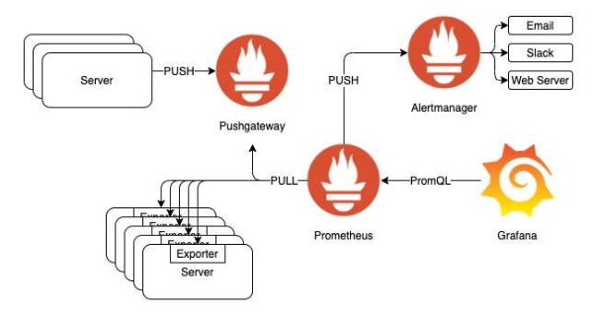
설정 예시
scrape_configs:
- job_name: 'prometheus'
scrape_interval: 3s. // 수집 주기
scrape_timeout: 1s. // timeout 시간
static_configs:
- targets:
- localhost: 9090
/prometheus/config/prometheus.yml
--web.enable--lifecycle
https://github.com/grafana/grafana/issues/14629#issuecomment-616642604
just a note, you typed host.internal.docker but it is actually host.docker.internal

version: '3.8'
networks:
grafana-monitoring:
driver: bridge
services:
grafana:
container_name: grafana
image: grafana/grafana:latest
environment:
- GF_SECURITY_ADMIN_USER=admin
- GF_SECURITY_ADMIN_PASSWORD=admin
- GF_USERS_ALLOW_SIGN_UP=false
volumes:
- ./grafana/data:/var/lib/grafana
- ./grafana/provisioning:/etc/grafana/provisioning
ports:
- 3000:3000
networks:
- grafana-monitoring
db:
image: postgres:13
container_name: postgres
ports:
- 5432:5432
environment:
POSTGRES_USER: admin
POSTGRES_PASSWORD: admin
volumes:
- ./postgres/data:/var/lib/postgresql/data
networks:
- grafana-monitoring
prometheus:
image: prom/prometheus:latest
container_name: prometheus
volumes:
- ./prometheus.yml:/etc/prometheus/prometheus.yml
- ./prometheus_data:/prometheus
command:
- '--config.file=/etc/prometheus/prometheus.yml'
- '--storage.tsdb.path=/prometheus'
- '--web.console.libraries=/etc/prometheus/console_libraries'
- '--web.console.templates=/etc/prometheus/consoles'
- '--web.enable-lifecycle'
expose:
- 9090
networks:
- grafana-monitoring
ports:
- 9090:9090
node-exporter:
image: prom/node-exporter:latest
container_name: node-exporter
volumes:
- /proc:/host/proc:ro
- /sys:/host/sys:ro
- /:/rootfs:ro
command:
- '--path.procfs=/host/proc'
- '--path.rootfs=/rootfs'
- '--path.sysfs=/host/sys'
- '--collector.filesystem.mount-points-exclude=^/(sys|proc|dev|host|etc)($$|/)'
expose:
- 9100
networks:
- grafana-monitoring
ports:
- 9100:9100
3. Grafana
 | 데이터소스 추가
 | 플러그인 추가
 | 대시보드 추가

4. Docker Compose 로 한 번에 구성하기
1. 폴더 구성
- docker-compose.yml
- prometheus.yml
2. 터미널에서 docker compose up -d 실행
3. grafana 접속 ( localhost:3000 ) 후 admin/admin 로그인
4. configuration 에서 datasource 설정 (prometheus 컨테이너 id :9090)
5. dashboard 통한 모니터링

